Dashboard
Hand Up America - Places That Need a Hand

Under $50,000 vs. Over
Under $50,000 | 90991120
Over $50,000 | 58862040

Top 10 - Percentage Non-Elderly Low Income
 | Percentage Non-Elderly Low Income
Wyoming | 0.65268513432
South Dakota | 0.63473091929
Rhode Island | 0.62520078772
Tennessee | 0.60031197514
Other Areas | 0.58046303897
Mississippi | 0.57286959066
West Virginia | 0.54636818056
Vermont | 0.53970750319
Georgia | 0.53729808707
Arkansas | 0.52973729667

All Returns Less than 50K
 | Percentage < $50,000 | National Average
Mississippi | 0.69973501967 | 0.60711116946
Other Areas | 0.69956054304 | 0.60711116946
New Mexico | 0.67366832621 | 0.60711116946
Arkansas | 0.66850589015 | 0.60711116946
Florida | 0.66526760863 | 0.60711116946
West Virginia | 0.65576336177 | 0.60711116946
Alabama | 0.65462996942 | 0.60711116946
South Carolina | 0.65407338167 | 0.60711116946
Louisiana | 0.65404312395 | 0.60711116946
Tennessee | 0.65403144652 | 0.60711116946
Kentucky | 0.64971935162 | 0.60711116946
Georgia | 0.64448442869 | 0.60711116946
Oklahoma | 0.6414236399 | 0.60711116946
Nevada | 0.64123206923 | 0.60711116946
North Carolina | 0.6399356363 | 0.60711116946
Montana | 0.6333786051 | 0.60711116946
Texas | 0.63237030954 | 0.60711116946
Indiana | 0.63104195277 | 0.60711116946
Missouri | 0.62998662563 | 0.60711116946
Arizona | 0.62976788104 | 0.60711116946
Idaho | 0.62883406556 | 0.60711116946
Maine | 0.62640773119 | 0.60711116946
Ohio | 0.62594073335 | 0.60711116946
Michigan | 0.62383442968 | 0.60711116946
Vermont | 0.61419014301 | 0.60711116946
South Dakota | 0.61083992594 | 0.60711116946
Kansas | 0.60482835697 | 0.60711116946
Rhode Island | 0.60036268843 | 0.60711116946
Pennsylvania | 0.59923440863 | 0.60711116946
Nebraska | 0.59859946784 | 0.60711116946
Wisconsin | 0.59341351278 | 0.60711116946
New York | 0.59327424732 | 0.60711116946
Oregon | 0.59198192695 | 0.60711116946
Hawaii | 0.58830825806 | 0.60711116946
District of Columbia | 0.58563026685 | 0.60711116946
California | 0.58521008422 | 0.60711116946
Illinois | 0.58510940003 | 0.60711116946
Utah | 0.58373487899 | 0.60711116946
Iowa | 0.5833580878 | 0.60711116946
Wyoming | 0.567392999 | 0.60711116946
Colorado | 0.56454115435 | 0.60711116946
North Dakota | 0.55936580219 | 0.60711116946
Minnesota | 0.55661655921 | 0.60711116946
Virginia | 0.55311765593 | 0.60711116946
Alaska | 0.55168055157 | 0.60711116946
New Hampshire | 0.54521249946 | 0.60711116946
New Jersey | 0.53956521144 | 0.60711116946
Maryland | 0.53879573274 | 0.60711116946
Washington | 0.53734795419 | 0.60711116946
Massachusetts | 0.53447567992 | 0.60711116946
...

Low Income vs. Elderly

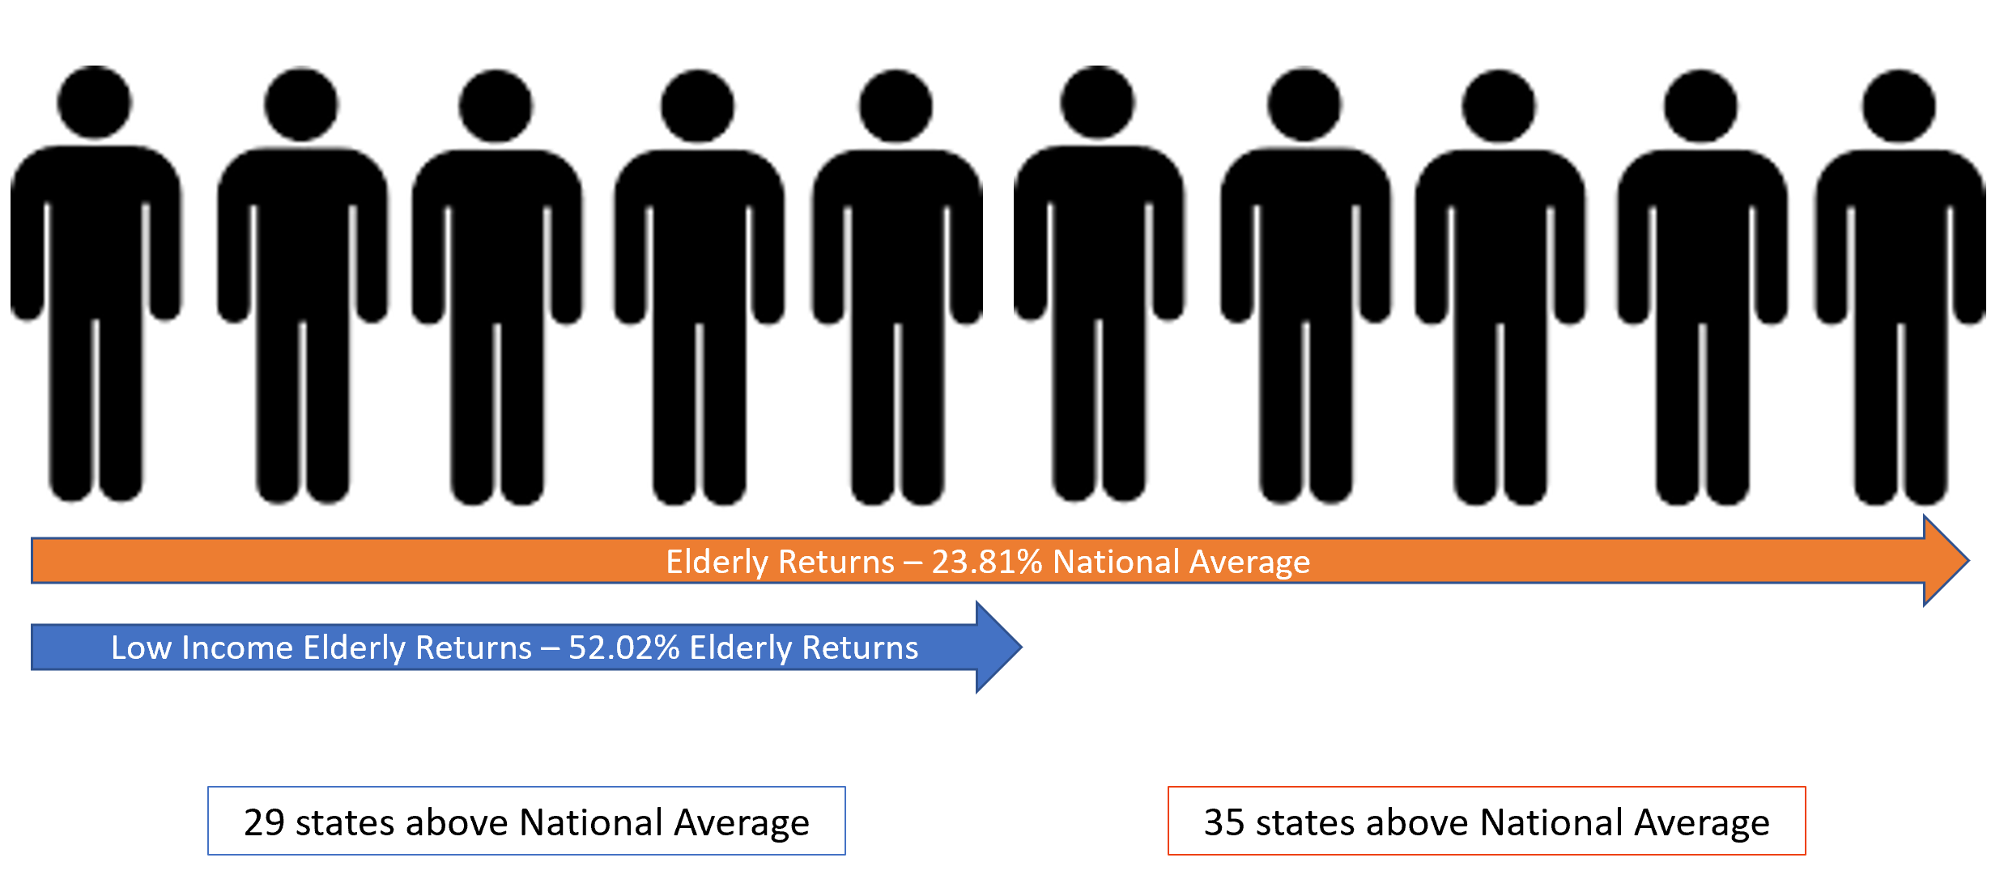

State | Percent | Category
WEST VIRGINIA | 17% | % Elderly Returns < $50k
MONTANA | 16% | % Elderly Returns < $50k
VERMONT | 16% | % Elderly Returns < $50k
MICHIGAN | 16% | % Elderly Returns < $50k
MAINE | 16% | % Elderly Returns < $50k
OTHER AREAS | 15% | % Elderly Returns < $50k
NEW MEXICO | 15% | % Elderly Returns < $50k
INDIANA | 15% | % Elderly Returns < $50k
PENNSYLVANIA | 15% | % Elderly Returns < $50k
MISSOURI | 15% | % Elderly Returns < $50k

